UX Analysis
UX# | Author | View | UX Recommendation
1 | Jazmin | Preferences | In case there is an incompatible cobination then, I'd suggest to group by the main feature that makes a taxi be easily identifiable. i.e. [Assumption] generally eco-taxi are good for features such as: small pet/courier trip OR Does Multi-seater + courier trip makes sense? What is the estimation difference?
2 | Jazmin | Prefences | For new app users, when the initial preference is still set, give the user the opportunity to understand that the type ofcara needs to be selected [making here an assumption as I'm not able to see the app running on my laptop]
3 | Jazmin | Preferences | Add Reset Function in order to avoid the user to restore all the options to OFF when needed
4 | Jazmin | Sharing Trip | Assuming this option is not available yet, this is an option that I'm oftenly use in Uber : it makes me feel secure when someone else is able to have the taxi driver data and estimated arrival time for monitoring
5 | Jazmin | Receipt for Taxes Deduction | Assuming this is not available yet, Uber uses a page to report each one of the trips that need to be certified for deduction including the company TaxID, etc. Need to research more on the usage in Germany/Europe

My Taxi - UX Analysis

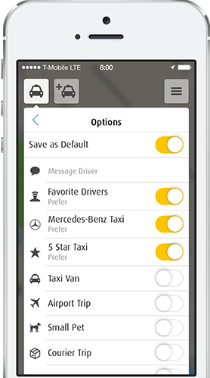

 |  |  | Category per Vehicle (if there is any feature generally not available. i.e. assuming that Small Pet is not compatible
 |  |  | with Mercedes Benz

 |  |  | Category Mercedes-Benz: Airport Trip [but not compatible with Small Pet nor Courier Trip]
 |  |  | Category Taxi Van: Airport Trip, Small Pet [cut not compatible with Courier Trip]

 |  |  | Category EcoTaxi: Airport Trip, Small Pet, Courier Trip [limited seats]

MyTaxi_Activities Log
Date | Step | Details/Comments
29.3.2018 | Android Studio Installation | https://developer.android.com/studio/install.html
29.3.2018 | Android Studio Setup | To create a test configuration in Android Studio, complete the following steps: Open Run > Edit Configurations. Add a new Android Tests configuration. Choose a module. Add a specific instrumentation runner: android.support.test.runner.AndroidJUnitRunner Run the newly created configuration.
29.3.2018 | Test Device Setup (No needed w/Emulator) | Turn off animations on your test device — leaving system animations turned on in the test device might cause unexpected results or may lead your test to fail. Turn off animations from Settings by opening Developer options and turning all the following options off: Window animation scale Transition animation scale Animator duration scale
29.3.2018 | Open Project | Open Project: Master folder from the zip file click on Open
29.3.2018 | Set ANDROID_HOME Environment variable | https://gist.github.com/ericaroy/d08a846daeebe145d2ef Open Terminal and type in.. nano ~/.bash_profile Add the below paths The path should be where your android installation is located export ANDROID_HOME=/Users/username/Library/Android/sdk export export PATH=${PATH}:$ANDROID_HOME/tools:$ANDROID_HOME/platform-tools Save file and type in terminal... source ~/.bash_profile Check to see if it is set: echo $ANDROID_HOME
29.3.2018 | Espresso Basics | Basic Espresso Framework Methods: Espresso framework allows the automation developer to manipulate the test using 3 concepts: View Matchers (Find Something) ViewActions(Do Something) ViewAssertions (Check Something)
30.3.2018 | Master Automation Framework Setup | Project added + Device Setup
30.3.2018 | Test Running Steps | https://saucelabs.com/resources/articles/using-espresso-to-test-mobile-applications-in-android-studio
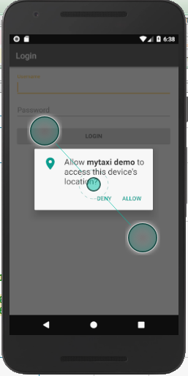
30.3.2018 | Test Case implementation | On Emulator >@Before - Context, Close dialogs such as: Allow location, Error build: System UI not working 1. Login as <user> with <password> 2. Search Taxi Driver Contacts keyword <Sa> 3. Select and set new context with keyword results 3. Call - Expected Negative: Not finding Taxi Driver Search Path - Error message? Warning? ************************************************************************************* onView(withId(R.id.edt_username)).perform(typeText("xxxx")); onView(withId(R.id.edt_password)).perform(typeText("xxxx")); onView(withId(R.id.btn_login)).perform(click());
31.3.2018 | Test Case Implementation | https://google-developer-training.gitbooks.io/android-developer-fundamentals-course-practicals/content/en/Unit%202/61_p_use_espresso_to_test_your_ui.html https://junit.org/junit4/ https://google-developer-training.gitbooks.io/android-developer-fundamentals-course-concepts/content/en/Unit%202/61_c_testing_the_user_interface.html
31.3.2018 | Updates on packages to 12.0.1 as recommended by Android Studio
31.3.2018 | Context of the app under test | https://developer.android.com/studio/test/index.html https://medium.com/android-testing-daily/espresso-101-95e43bd9dbd
1.4.2018 | Allow mytaxi demo to access this device's location? Deny, Allow | http://www.vogella.com/tutorials/AndroidTestingEspresso/article.html
2.4.2018 | Uninstall Android Studio | rm -Rf /Applications/Android\Studio.app rm -Rf ~/Library/Preferences/AndroidStudio* rm -Rf ~/Library/Preferences/com.google.android.* rm -Rf ~/Library/Preferences/com.android.* rm -Rf ~/Library/Application\ Support/AndroidStudio* rm -Rf ~/Library/Logs/AndroidStudio* rm -Rf ~/Library/Caches/AndroidStudio* rm -Rf ~/.AndroidStudio* rm -Rf ~/AndroidStudioProjects rm -Rf ~/.gradle rm -Rf ~/AndroidStudioProjects rm -Rf ~/.android rm -Rf ~/Library/Android* rm -Rf /usr/local/var/lib/android-sdk/ rm -Rf ~/.AndroidStudio* https://www.pibeca.com/en/2016/10/11/android-studio-how-to-completely-uninstall/ rm -Rf /Applications/Android\ Studio.app MacBook-Air:~ jazzmin$ rm -Rf ~/Library/Preferences/AndroidStudio* MacBook-Air:~ jazzmin$ rm ~/Library/Preferences/com.google.android.studio.plist MacBook-Air:~ jazzmin$ rm -Rf ~/Library/Application\ Support/AndroidStudio* MacBook-Air:~ jazzmin$ rm -Rf ~/Library/Logs/AndroidStudio* MacBook-Air:~ jazzmin$ rm -Rf ~/Library/Caches/AndroidStudio* MacBook-Air:~ jazzmin$ rm -Rf ~/AndroidStudioProjects MacBook-Air:~ jazzmin$ rm -Rf ~/.gradle MacBook-Air:~ jazzmin$ rm -Rf ~/.android MacBook-Air:~ jazzmin$ rm -Rf ~/Library/Android*
3.4.20018 | Issues / Fixes | 1. Autocomplete not working: Disable Power Save 2. OnView Not working: Once autocomplete recommended the proper modules addition then brought the one that recognized OnView 3. After App Context, the added steps compile with errors : Uninstall Android..........
4.4.2018 | Reinstall Android Studio | VD To install: - Google APIs Intel x86 Atom System Image (system-images;android-27;google_apis;x86) Preparing "Install Google APIs Intel x86 Atom System Image (revision: 5)". Downloading https://dl.google.com/android/repository/sys-img/google_apis/x86-27_r05.zip
4.4.2018 | Remove Temp Files | https://gist.github.com/ygorhenrique/3a713a50aff6c63aa3771387e9935375 rm -rfv ~/Library/Application\ Support/AndroidStudio* rm -rfv ~/Library/Preferences/AndroidStudio* rm -rfv ~/Library/Caches/AndroidStudio* rm -rfv ~/Library/Logs/AndroidStudio* rm -rfv ~/.AndroidStudio*

